Figure 1
Figure 1: Family Unit Separations, FYs 2018 - 2020
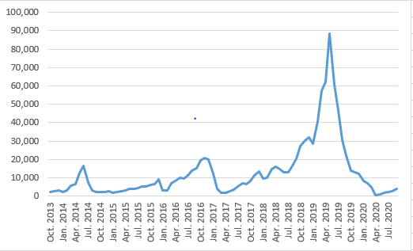

Note: Data depict confirmed separations of family units encountered at the border occurring between October 1, 2017 and September 30, 2020 (the axis shows every other month during this period). Data depicted are current as of March 19, 2021.
Source: DHS analysis of ICE and CBP data.

